F0.1
Figure 1. Number of Call Attempts
Figure 1. Number of attempts
Number of Attempts | Reached | Not reached | Reached | Not Reached
1 | 778 | 60 | 0.376 | 0.032
2 | 321 | 170 | 0.155 | 0.091
3 | 192 | 152 | 0.093 | 0.082
4 | 188 | 196 | 0.091 | 0.105
5 | 138 | 162 | 0.067 | 0.087
6 | 113 | 202 | 0.055 | 0.109
7 | 85 | 102 | 0.041 | 0.055
8 | 49 | 156 | 0.024 | 0.084
9 | 49 | 130 | 0.024 | 0.070
10 | 29 | 96 | 0.014 | 0.052
11 | 38 | 74 | 0.018 | 0.040
12 | 19 | 96 | 0.009 | 0.052
13 | 18 | 34 | 0.009 | 0.018
14 | 13 | 46 | 0.006 | 0.025
15 | 8 | 42 | 0.004 | 0.023
16 | 6 | 18 | 0.003 | 0.010
17 | 6 | 18 | 0.003 | 0.010
18 | 5 | 20 | 0.002 | 0.011
19 | 4 | 22 | 0.002 | 0.012
20 | 3 | 16 | 0.001 | 0.009
21 | 2 | 4 | 0.001 | 0.002
22 | 1 | 2 | 0.000 | 0.001
23 | 1 | 4 | 0.000 | 0.002
25 | 1 | 2 | 0.000 | 0.001
26 | 0 | 4 | 0.000 | 0.002
27 | 2 | 2 | 0.001 | 0.001
28 | 0 | 4 | 0.000 | 0.002
29 | 0 | 4 | 0.000 | 0.002
30 | 0 | 2 | 0.000 | 0.001
31 | 0 | 2 | 0.000 | 0.001
32 | 0 | 2 | 0.000 | 0.001
33 | 0 | 2 | 0.000 | 0.001
36 | 0 | 2 | 0.000 | 0.001
39 | 0 | 4 | 0.000 | 0.002
40 | 1 | 8 | 0.000 | 0.004

F0.2
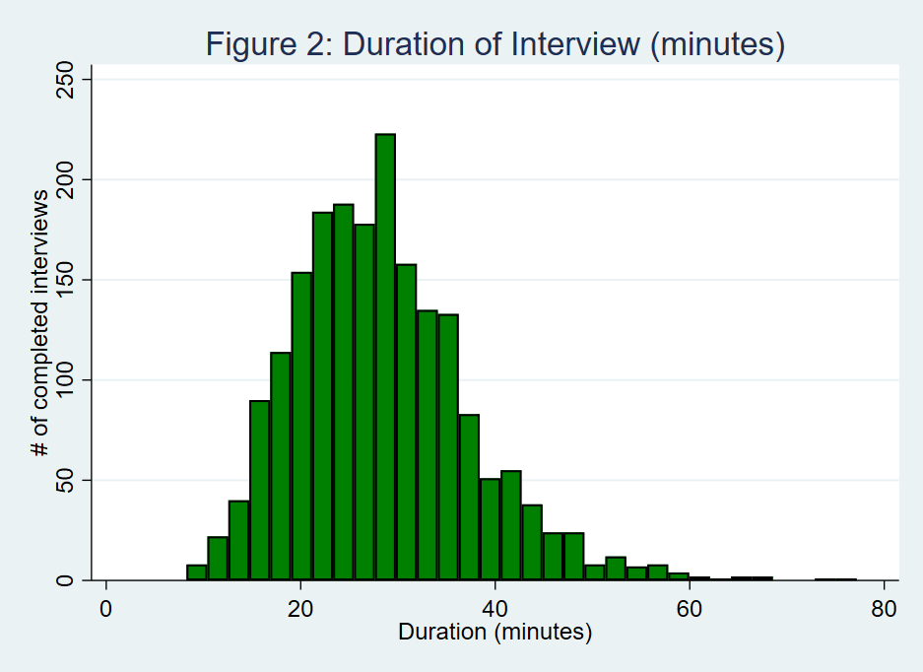

T2.1
Table 2.1: Knowledge of measures that can reduce the risk of contracting COVID-19/ coronavirus (% of HH)
 | % of HHs
Handwashing | 97.4
Use of sanitizer | 65.6
No Handshake / physical greetings | 81.0
Use of mask | 73.9
Use of gloves | 56.1
Avoid travel | 80.3
Staying at home and avoid going out unless necessary | 88.8
Avoid crowded places or gatherings with many people | 89.9
Maintain enough distance of at least 1 meter | 81.9
Avoiding touching your face | 63.1
None of the above reported | 0.6

Knowledge of measures that can reduce the risk of contracting COVID-19/ coronavirus (% of HH)

T2.5
Table 2.5. Prevalence of safe practices, since mid-March
 | % of respondents
More frequent handwashing with soap | 95.8
Avoid handshakes/physical greetings | 92.8
Avoid groups of more than 10 people | 93.5
Stock up more food than normal, due to restricted movement | 46.9

Prevalence of safe practices, since mid-March (% of respondents)

T2.7
Table 2.7. Degree of worry about self/inmediate family becoming seriously ill from Coronavirus
 | Overall (% of respondents) | % of respondents by GHS Consumption Quintile
 |  | Q1 | Q2 | Q3 | Q4 | Q5
Very worried | 66.8 | 82.4 | 84.5 | 70.5 | 63.2 | 54.2
Somewhat worried | 11.2 | 12.4 | 6.3 | 8.7 | 11.2 | 14.4
Not too worried | 7.2 | 1.8 | 4.0 | 6.2 | 7.7 | 10.6
Not worried at all | 14.8 | 3.3 | 5.3 | 14.7 | 17.9 | 20.8

Degree of worry about self/inmediate family becoming seriously ill from Coronavirus

T3.2
Table 3.2. Access to basic needs, past 7 days
 | Needed to buy (% of HHs) | Could not buy (% HH that needed to buy)
 |  | Overall | GHS Consumption Quintile |  |  |  |  |  | Needed but could not buy | Needed & bought | No need
 |  |  | Q1 | Q2 | Q3 | Q4 | Q5 | Medicine | 5.9 | 40.4 | 53.8
Medicine | 46.2 | 12.7 | 21.6 | 16.8 | 13.9 | 10.6 | 7.7 | Soap | 8.3 | 69.3 | 22.4
Soap | 77.6 | 10.8 | 23.0 | 10.1 | 10.1 | 9.3 | 7.6 | Cleaning supplies | 10.8 | 47.7 | 41.5
Cleaning supplies | 58.5 | 18.5 | 24.5 | 23.0 | 20.8 | 15.6 | 15.0 | Rice | 25.1 | 36.3 | 38.5
Rice | 61.5 | 40.9 | 57.8 | 51.3 | 44.6 | 37.7 | 29.1 | Beans | 21.1 | 38.6 | 40.3
Beans | 59.7 | 35.4 | 55.3 | 38.4 | 32.3 | 34.2 | 27.7 | Cassava | 16.3 | 31.9 | 51.8
Cassava | 48.2 | 33.8 | 49.3 | 44.9 | 35.1 | 33.4 | 23.4 | Yams | 29.2 | 20.3 | 50.6
Yams | 49.4 | 59.0 | 83.2 | 61.2 | 59.3 | 61.8 | 47.5 | Sorghum | 12.2 | 27.2 | 60.6
Sorghum | 39.4 | 30.9 | 28.7 | 27.8 | 18.7 | 41.2 | 36.1

Access to Basic Needs, Past 7 Days

T4.13
Table 4.13. HH Income sources in the last 12 months
Source of livelihood | % of HHs | Change since mid-March
 |  | More | Same | Less
Household farming, livestock or fishing | 78.5 | 9.3 | 18.2 | 72.6
Non-farm family business | 63.0 | 6.1 | 9.4 | 84.6
Wage employment of household members | 29.8 | 4.7 | 37.4 | 57.9
Remittances from abroad | 3.4 | 2.5 | 37.5 | 60.0
Remittances from family within the country | 21.8 | 5.7 | 22.6 | 71.7
Assistance from other non-family individuals | 21.6 | 6.8 | 15.2 | 78.0
Income from properties, investments, savings | 14.4 | 9.4 | 25.1 | 65.5
Pension | 4.1 | 1.6 | 83.3 | 15.1
Assistance from the Government | 3.3 | 8.7 | 34.6 | 56.7
Assistance from NGOs / charitable orgs | 2.8 | 10.9 | 21.8 | 67.3
Other | 0.6 | 12.0 | 6.9 | 81.1
Overall income |  | 6.0 | 15.7 | 78.4

F4.1
Figure 4.1 Working Situation of Respondents
 | % of respondents | Percent of respondents, by (GHS) consumption quintiles
 | All | Q1 | Q2 | Q3 | Q4 | Q5
Not working before outbreak | 15.2 | 10.1 | 13.5 | 15.5 | 19.2 | 14.9
Working | 42.6 | 36.5 | 46.2 | 39.5 | 45.3 | 42.9
Stopped working (for a reason potentially related to COVID-19) | 37.8 | 44.7 | 31.7 | 41.7 | 32.8 | 39.3
Stopped working (for a reason potentially unrelated to COVID-19) | 4.4 | 8.7 | 8.6 | 3.3 | 2.6 | 2.9

Working Situation of Respondents (% of respondents and by consumption quintiles)
 | Not working before outbreak | Working | Stopped working (for a reason potentially unrelated to COVID-19) | Stopped working (for a reason potentially related to COVID-19)
All | 15.2 | 42.6 | 4.4 | 37.8
Q1 | 10.1 | 36.5 | 8.7 | 44.7
Q2 | 13.5 | 46.2 | 8.6 | 31.7
Q3 | 15.5 | 39.5 | 3.3 | 41.7
Q4 | 19.2 | 45.3 | 2.6 | 32.8
Q5 | 14.9 | 42.9 | 2.9 | 39.3

F4.2
Figure 4.2: Impact of COVID-19 in working status by sector
 | Working | Stopped working (for a reason potentially related to COVID-19) | Stopped working (for a reason potentially unrelated to COVID-19)
Agriculture | 24.1 | 9.4 | 3.0
Mining | 0.3 | 0.7 | 0.0
Utilities | 0.5 | 0.4 | 0.0
Construction | 3.0 | 2.9 | 0.3
Buying & Selling | 9.2 | 14.3 | 0.4
Transport | 3.3 | 3.0 | 0.6
Professional Activities | 0.7 | 1.6 | 0.1
Public Administration | 1.2 | 3.3 | 0.4
Personal Services | 7.9 | 9.1 | 0.6

Impact of COVID-19 in working status by sector (Percentage of respondents that are working, or stopped working caused by COVID-19)

 | Working | Stopped working (for a reason potentially related to COVID-19) | Stopped working (for a reason potentially unrelated to COVID-19)
Agriculture | 24 | 9 | 3
Mining & Utilities | 1 | 1 | 0
Construction, Transport & Professional Act. | 7 | 7 | 1
Commerce | 9 | 14 | 0
Public Administration | 1 | 3 | 0
Services | 8 | 9 | 1

T5.4
Table 5.4. Types of shocks, since mid-March
HHs were asked about the following shocks: | % of HHs Experienced |  | % of HHs Experienced Since mid-March 2020, by (GHS) consumption quintiles |  |  |  |  |  | % of HHs Experienced
 | Between Jan 2017 & Jan 2019* | Since mid-March 2020 | Q1 | Q2 | Q3 | Q4 | Q5 |  | Between Jan 2017 & Jan 2019 (GHS) | Since mid-March 2020
Illness, injury, or death of income earning HH member | 9.3 | 13.3 | 12.8 | 17.3 | 19.1 | 12.7 | 9.1 | Illness/injury/death of HH member | 9.3 | 13.3
Job loss | 2.1 | 15.9 | 19.7 | 20.2 | 16.7 | 16.9 | 11.5 | Job loss | 2.1 | 15.9
Nonfarm business closure | 3.9 | 36.4 | 35.2 | 36.9 | 38.1 | 38.2 | 34.5 | Nonfarm business closure | 3.9 | 36.4
Theft/looting of cash and other property | 6.6 | 11.7 | 11.2 | 17.6 | 16.8 | 8.6 | 8.8 | Theft of cash/property | 6.6 | 11.7
Disruption of farming, livestock, fishing activities | 14.4 | 29.4 | 28.1 | 36.5 | 36.5 | 25.0 | 26.1 | Disruption of agricultural activities | 14.4 | 29.4
Increase in price of farming/business inputs | 6.8 | 45.7 | 46.5 | 54.3 | 53.1 | 41.1 | 40.9 | Increase in price of farming/business inputs | 6.8 | 45.7
Fall in the price of farming/business output | 2.3 | 21.5 | 15.3 | 24.8 | 23.0 | 19.8 | 22.5 | Fall in the price of farming/business output | 2.3 | 21.5
Increase in price of major food items consumed | 18.5 | 85.3 | 75.3 | 83.2 | 84.3 | 87.9 | 88.4 | Increase in price of major food items | 18.5 | 85.3
Other (specify) | - | 2.7 | 0.8 | 1.8 | 2.6 | 1.3 | 4.8
*From post-harvest visit of the GHS-Panel survey, n=4,976 households.

Experience of Shocks (% of all households)

